Instructions
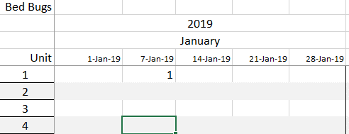
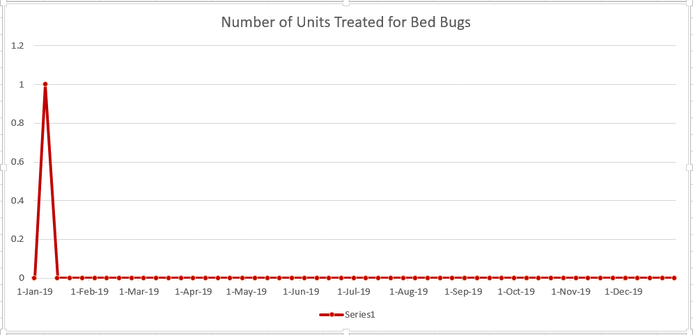
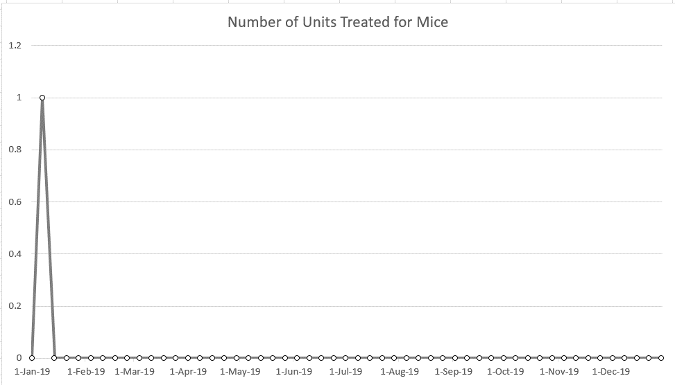
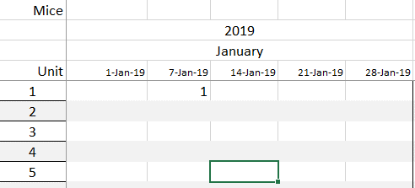
UT E&PP Info Note #479
5-Dec-18
Charting Pest Activity in Multi-Unit Structures for 2019
By Karen M. Vail, Professor and Extension Urban Entomologist and Jennifer Chandler, Research Specialist, UT Entomology & Plant Pathology

To create charts of bed bug, German cockroach, mice and other pest activity in 2019:
1. Enter a 1 for each unit that receives a treatment. Bed bug treatments are entered on the worksheet named Bed bugsTrt, German cockraoches entered on the worksheet RoachTrt, Mice entered on the worksheet MiceTrt and other pests on the OtherTrt worksheet. Charts will automatically be produced once the data has been entered in the treatment worksheets.

For example, on January 7 unit 1 was treated for bed bugs and mice. Go to worksheet Bed bugTrt and enter a 1 in the 7-Jan-19 column unit 1 row and go to worksheet MiceTrt and enter a 1 in the 7-Jan-19 unit 1 row.

Bed Bug Chart
Number of Units Treated for Bed Bugs
1-Jan-19 | 0
7-Jan-19 | 0
14-Jan-19 | 0
21-Jan-19 | 0
28-Jan-19 | 0
4-Feb-19 | 0
11-Feb-19 | 0
18-Feb-19 | 0
25-Feb-19 | 0
4-Mar-19 | 0
11-Mar-19 | 0
18-Mar-19 | 0
25-Mar-19 | 0
1-Apr-19 | 0
8-Apr-19 | 0
15-Apr-19 | 0
22-Apr-19 | 0
29-Apr-19 | 0
6-May-19 | 0
13-May-19 | 0
20-May-19 | 0
27-May-19 | 0
3-Jun-19 | 0
10-Jun-19 | 0
17-Jun-19 | 0
24-Jun-19 | 0
1-Jul-19 | 0
8-Jul-19 | 0
15-Jul-19 | 0
22-Jul-19 | 0
29-Jul-19 | 0
5-Aug-19 | 0
12-Aug-19 | 0
19-Aug-19 | 0
26-Aug-19 | 0
2-Sep-19 | 0
9-Sep-19 | 0
16-Sep-19 | 0
23-Sep-19 | 0
30-Sep-19 | 0
7-Oct-19 | 0
14-Oct-19 | 0
21-Oct-19 | 0
28-Oct-19 | 0
4-Nov-19 | 0
11-Nov-19 | 0
18-Nov-19 | 0
25-Nov-19 | 0
2-Dec-19 | 0
9-Dec-19 | 0
...

Roach Chart
German Cockroaches

Number of Units Treated for German Cockroaches
1-Jan-19 | 0
7-Jan-19 | 0
14-Jan-19 | 0
21-Jan-19 | 0
28-Jan-19 | 0
4-Feb-19 | 0
11-Feb-19 | 0
18-Feb-19 | 0
25-Feb-19 | 0
4-Mar-19 | 0
11-Mar-19 | 0
18-Mar-19 | 0
25-Mar-19 | 0
1-Apr-19 | 0
8-Apr-19 | 0
15-Apr-19 | 0
22-Apr-19 | 0
29-Apr-19 | 0
6-May-19 | 0
13-May-19 | 0
20-May-19 | 0
27-May-19 | 0
3-Jun-19 | 0
10-Jun-19 | 0
17-Jun-19 | 0
24-Jun-19 | 0
1-Jul-19 | 0
8-Jul-19 | 0
15-Jul-19 | 0
22-Jul-19 | 0
29-Jul-19 | 0
5-Aug-19 | 0
12-Aug-19 | 0
19-Aug-19 | 0
26-Aug-19 | 0
2-Sep-19 | 0
9-Sep-19 | 0
16-Sep-19 | 0
23-Sep-19 | 0
30-Sep-19 | 0
7-Oct-19 | 0
14-Oct-19 | 0
21-Oct-19 | 0
28-Oct-19 | 0
4-Nov-19 | 0
11-Nov-19 | 0
18-Nov-19 | 0
25-Nov-19 | 0
2-Dec-19 | 0
9-Dec-19 | 0
...

Mice Chart
Mice

Number of Units Treated for Mice
1-Jan-19 | 0
7-Jan-19 | 0
14-Jan-19 | 0
21-Jan-19 | 0
28-Jan-19 | 0
4-Feb-19 | 0
11-Feb-19 | 0
18-Feb-19 | 0
25-Feb-19 | 0
4-Mar-19 | 0
11-Mar-19 | 0
18-Mar-19 | 0
25-Mar-19 | 0
1-Apr-19 | 0
8-Apr-19 | 0
15-Apr-19 | 0
22-Apr-19 | 0
29-Apr-19 | 0
6-May-19 | 0
13-May-19 | 0
20-May-19 | 0
27-May-19 | 0
3-Jun-19 | 0
10-Jun-19 | 0
17-Jun-19 | 0
24-Jun-19 | 0
1-Jul-19 | 0
8-Jul-19 | 0
15-Jul-19 | 0
22-Jul-19 | 0
29-Jul-19 | 0
5-Aug-19 | 0
12-Aug-19 | 0
19-Aug-19 | 0
26-Aug-19 | 0
2-Sep-19 | 0
9-Sep-19 | 0
16-Sep-19 | 0
23-Sep-19 | 0
30-Sep-19 | 0
7-Oct-19 | 0
14-Oct-19 | 0
21-Oct-19 | 0
28-Oct-19 | 0
4-Nov-19 | 0
11-Nov-19 | 0
18-Nov-19 | 0
25-Nov-19 | 0
2-Dec-19 | 0
9-Dec-19 | 0
...

Other Chart
Other

Number of Units Treated for Other Pests
1-Jan-19 | 0
7-Jan-19 | 0
14-Jan-19 | 0
21-Jan-19 | 0
28-Jan-19 | 0
4-Feb-19 | 0
11-Feb-19 | 0
18-Feb-19 | 0
25-Feb-19 | 0
4-Mar-19 | 0
11-Mar-19 | 0
18-Mar-19 | 0
25-Mar-19 | 0
1-Apr-19 | 0
8-Apr-19 | 0
15-Apr-19 | 0
22-Apr-19 | 0
29-Apr-19 | 0
6-May-19 | 0
13-May-19 | 0
20-May-19 | 0
27-May-19 | 0
3-Jun-19 | 0
10-Jun-19 | 0
17-Jun-19 | 0
24-Jun-19 | 0
1-Jul-19 | 0
8-Jul-19 | 0
15-Jul-19 | 0
22-Jul-19 | 0
29-Jul-19 | 0
5-Aug-19 | 0
12-Aug-19 | 0
19-Aug-19 | 0
26-Aug-19 | 0
2-Sep-19 | 0
9-Sep-19 | 0
16-Sep-19 | 0
23-Sep-19 | 0
30-Sep-19 | 0
7-Oct-19 | 0
14-Oct-19 | 0
21-Oct-19 | 0
28-Oct-19 | 0
4-Nov-19 | 0
11-Nov-19 | 0
18-Nov-19 | 0
25-Nov-19 | 0
2-Dec-19 | 0
9-Dec-19 | 0
...

